Data
Source: Statistical Abstract of the U.S., 2001. Purpose of this example is to show how population induces high correlations in unrelated data, as shown by redefining the variables with correction for population size.
Spurious Correlation |  | Spurious Correlation |  | Redefined variables
 | Millions | Millions | Thousands | Per Capita | Per 1000 Population
State | Population | EdSpend | Prisoners | EdSpendPerCap | PrisonersPerCap
Alabama | 4.447 | 4.518 | 24.658 | 1016 | 5.545
Alaska | 0.627 | 1.335 | 3.949 | 2129 | 6.298
Arizona | 5.131 | 5.254 | 25.986 | 1024 | 5.065
Arkansas | 2.673 | 3.004 | 11.415 | 1124 | 4.27
California | 33.872 | 43.458 | 163.067 | 1283 | 4.814
Colorado | 4.301 | 4.834 | 15.67 | 1124 | 3.643
Connecticut | 3.406 | 6.349 | 18.639 | 1864 | 5.472
Delaware | 0.784 | 1.033 | 6.983 | 1318 | 8.907
Florida | 15.982 | 18.475 | 69.596 | 1156 | 4.355
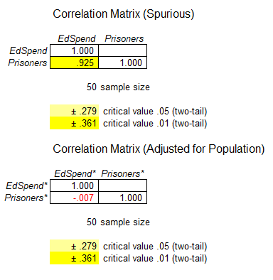
Georgia | 8.186 | 10.699 | 42.091 | 1307 | 5.142
Hawaii | 1.212 | 1.452 | 4.903 | 1198 | 4.045
Idaho | 1.294 | 1.532 | 4.842 | 1184 | 3.742
Illinois | 12.419 | 15.176 | 44.66 | 1222 | 3.596
Indiana | 6.08 | 8.123 | 19.309 | 1336 | 3.176
Iowa | 2.926 | 3.485 | 7.232 | 1191 | 2.472
Kansas | 2.688 | 3.371 | 8.567 | 1254 | 3.187
Kentucky | 4.042 | 4.664 | 15.317 | 1154 | 3.789
Louisiana | 4.469 | 4.943 | 34.066 | 1106 | 7.623
Maine | 1.275 | 1.744 | 1.716 | 1368 | 1.346
Maryland | 5.296 | 7.208 | 23.095 | 1361 | 4.361
Massachusetts | 6.349 | 9.2 | 11.356 | 1449 | 1.789
Michigan | 9.938 | 14.132 | 46.617 | 1422 | 4.691
Minnesota | 4.919 | 8.229 | 5.969 | 1673 | 1.213
Mississippi | 2.845 | 2.771 | 18.247 | 974 | 6.414
Missouri | 5.595 | 6.334 | 26.155 | 1132 | 4.675
Montana | 0.902 | 1.109 | 2.954 | 1230 | 3.275
Nebraska | 1.711 | 1.956 | 3.688 | 1143 | 2.155
Nevada | 1.998 | 2.775 | 9.494 | 1389 | 4.752
New Hampshire | 1.236 | 1.512 | 2.257 | 1223 | 1.826
New Jersey | 8.414 | 13.286 | 31.493 | 1579 | 3.743
New Mexico | 1.819 | 2.232 | 5.124 | 1227 | 2.817
New York | 18.976 | 33.189 | 73.233 | 1749 | 3.859
North Carolina | 8.049 | 8.653 | 31.086 | 1075 | 3.862
North Dakota | 0.642 | 0.581 | 0.943 | 905 | 1.469
Ohio | 11.353 | 14.543 | 46.842 | 1281 | 4.126
Oklahoma | 3.451 | 3.82 | 22.393 | 1107 | 6.489
Oregon | 3.421 | 5.744 | 9.81 | 1679 | 2.868
Pennsylvania | 12.281 | 14.209 | 36.525 | 1157 | 2.974
Rhode Island | 1.048 | 1.371 | 3.003 | 1308 | 2.865
South Carolina | 4.012 | 5.027 | 22.008 | 1253 | 5.486
South Dakota | 0.755 | 0.839 | 2.506 | 1111 | 3.319
Tennessee | 5.689 | 5.353 | 22.502 | 941 | 3.955
Texas | 20.852 | 30.757 | 163.19 | 1475 | 7.826
Utah | 2.233 | 2.501 | 5.426 | 1120 | 2.43
Vermont | 0.609 | 0.827 | 1.536 | 1358 | 2.522
Virginia | 7.079 | 8.169 | 32.453 | 1154 | 4.584
Washington | 5.894 | 9.254 | 14.59 | 1570 | 2.475
West Virginia | 1.808 | 2.745 | 3.532 | 1518 | 1.954
Wisconsin | 5.364 | 8.475 | 20.417 | 1580 | 3.806
Wyoming | 0.494 | 0.762 | 1.713 | 1543 | 3.468

